Solver Optimal Portfolio
 | ETF | Annual Return | Annual Std Dev | Constraints:
 | QQQ | 0.1843 | 0.2062 | - Total Investment = $100,000
 | XLV | 0.0615 | 0.1427 | - No more than 50% allocated to any one ETF (diversification constraint)
 | XLP | 0.0626 | 0.1341 | - Risk control constraint based on std dev

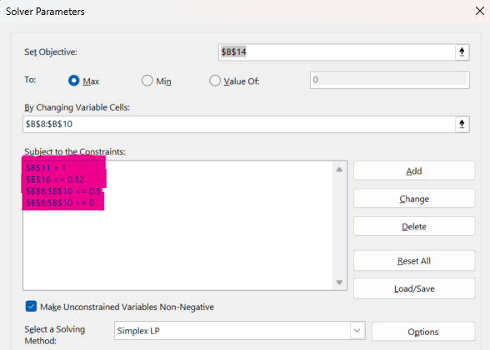
QQQ | 50.0% | $50,000.00
XLV | 4.4% | $4,430.38
XLP | 45.6% | $45,569.62
Total Porfolio Weight | 100% | $100,000.00

Portfolio Expected Return | 12.34%
This formula calculates your Portfolio’s Expected Annual Return by computing a weighted average of the returns for QQQ, XLV, and XLP based on the allocation.
Porfolio Risk | 12.00%
This is the formula for portfolio standard deviation assuming zero correlation between the assets (i.e., they move independently).

Summary Table
Strategy | QQQ % | XLV % | XLP % | Annual Avg Return | Annual Risk (Std Dev) | Prob ≥ $110,000 | 1 - Year Expected Value
LP - Optimized | 50% | 4.4% | 46% | 12.24% | 11.86% | 57.3% | $112,239.32
Aggressive | 70% | 15% | 15% | 14.90% | 14.79% | 62.2% | $114,895.86
Balanced | 33% | 33% | 33% | 10.47% | 9.67% | 52.5% | $110,474.52
Conservative | 20% | 30% | 50% | 8.73% | 9.04% | 46.8% | $108,728.48

*Turned off Auto-Calculation

Strategy | QQQ % | XLV % | XLP % | Annual Avg Return | Annual Risk (Std Dev) | Prob ≥ $110,000 | 1 - Year Expected Value | Asset | Allocation
LP - Optimized | 50% | 4.4% | 46% | 12.95% | 12.36% | 59.5% | $112,947.34 | QQQ | 50%
Aggressive | 70% | 15% | 15% | 13.94% | 14.65% | 59.4% | $113,942.12 | XLV | 4%
Balanced | 33% | 33% | 33% | 10.42% | 9.30% | 50.8% | $110,417.96 | XLP | 46%
Conservative | 20% | 30% | 50% | 8.33% | 9.05% | 43.7% | $108,325.46

*Copy/Pasted values to utilize this set of data.

